실전매칭_202605월
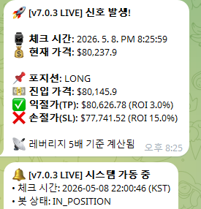



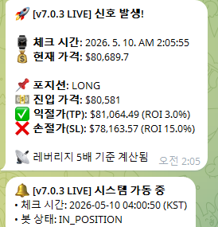

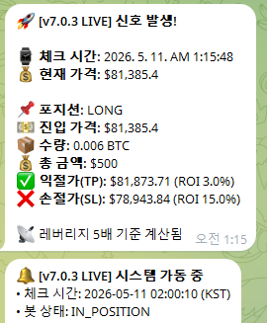

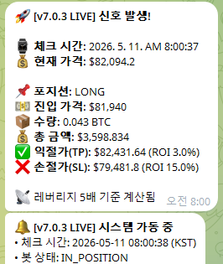

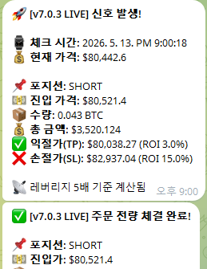
1 | 15

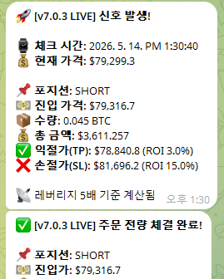
2 | 16

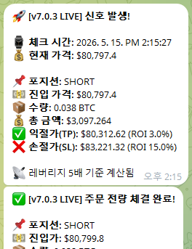
3 | 17

2605월 실전 매매 매칭data : 20/24건 매칭됨. 수익률 매칭됨
-->타이밍 삼각형은 날짜만 매칭, 동그라미는 1시간 이내 매칭.
--> 익절률은 99% 매칭됨
--> 가로줄 점선영역 : 실제 거래에서는 없는 백테스트 거래임.

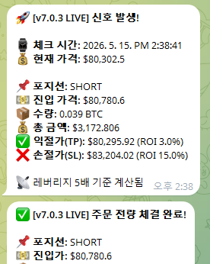
4 | 18 or 19

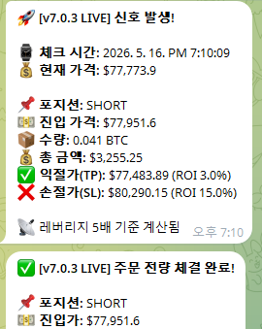
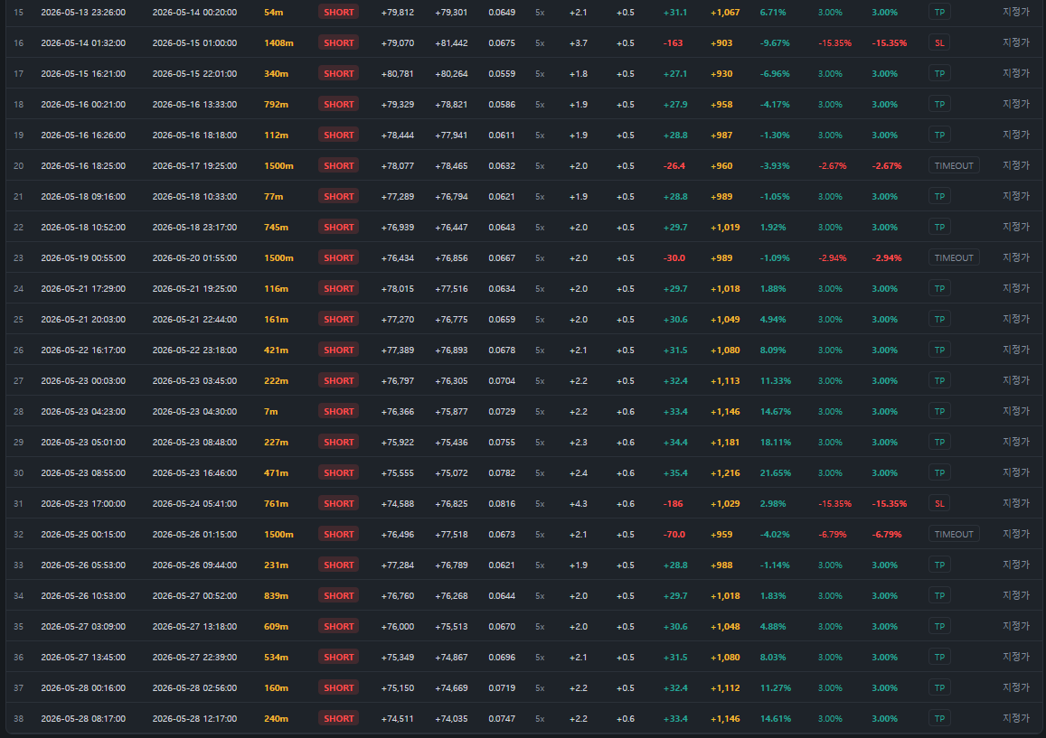
5 | 20

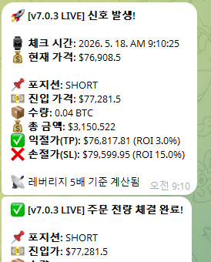
6 | 21

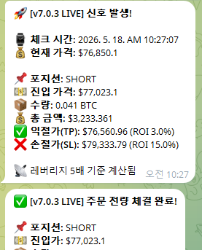
7 | 22

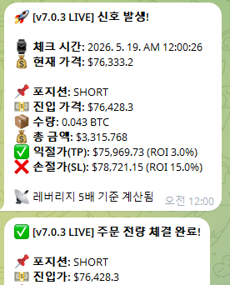
8 | 23

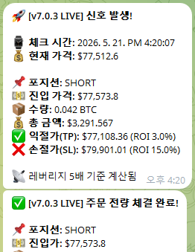
9 | 24

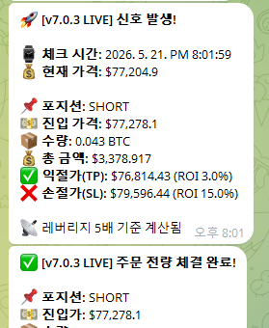
10 | 25

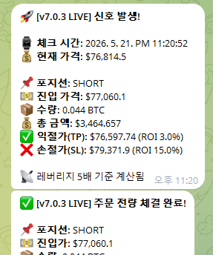
11

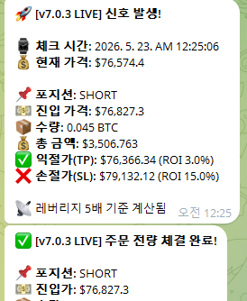
12 | 27

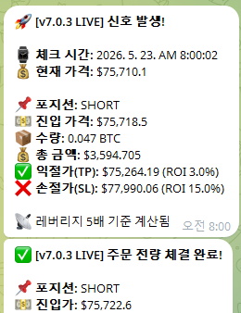
13 | 29

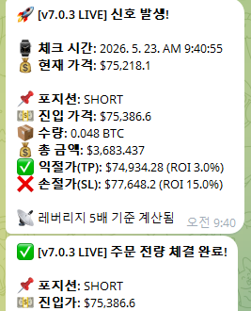
14 | 30

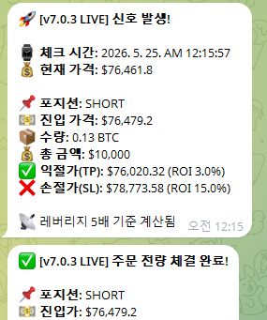
15

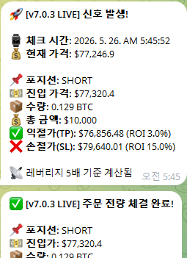
16

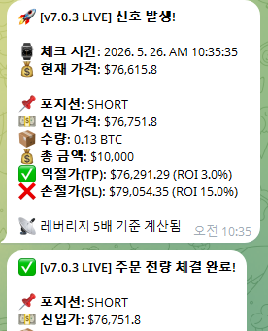
17

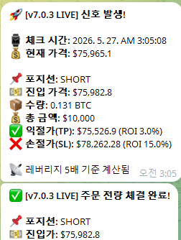
18

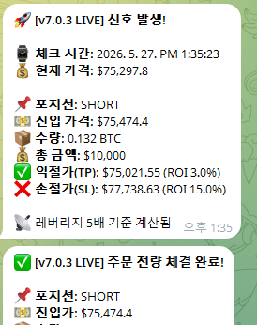
19

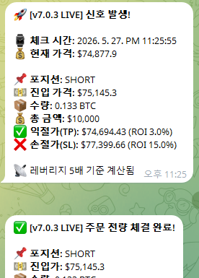
20

21

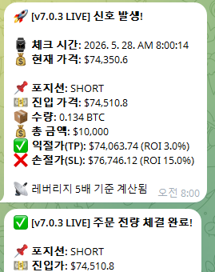

22

23

24

25

26

case1
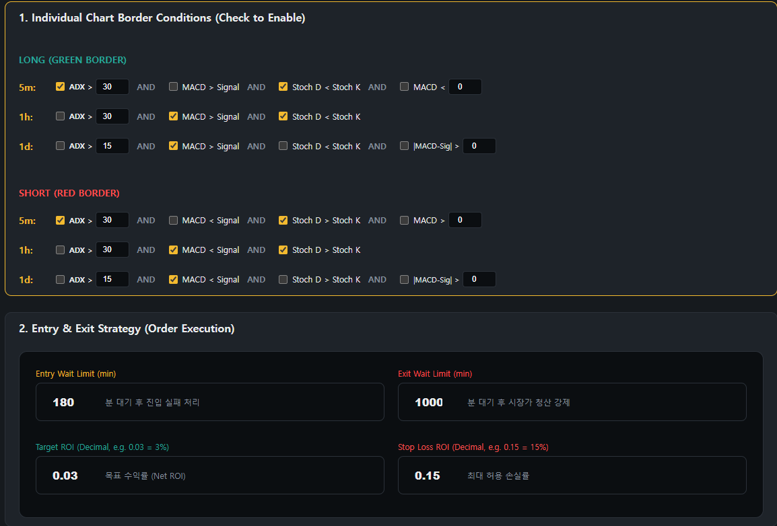
2022

2023

2024

2025

2026

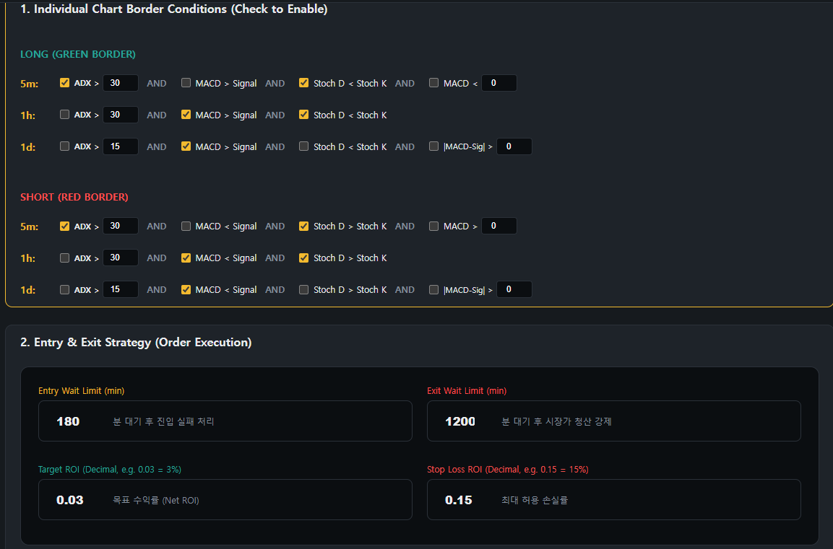
2022

2023
 | 202301~202605
 | 1d adx | 60이상컷 | 1446
 | 1h adx | 63이상컷 | 1428
 | 5m adx | 63이상컷 | 1405
 | 5m stoch k | 100이상컷 | 1433
 |  | 99이상컷 | 1411
2024

2025

2026

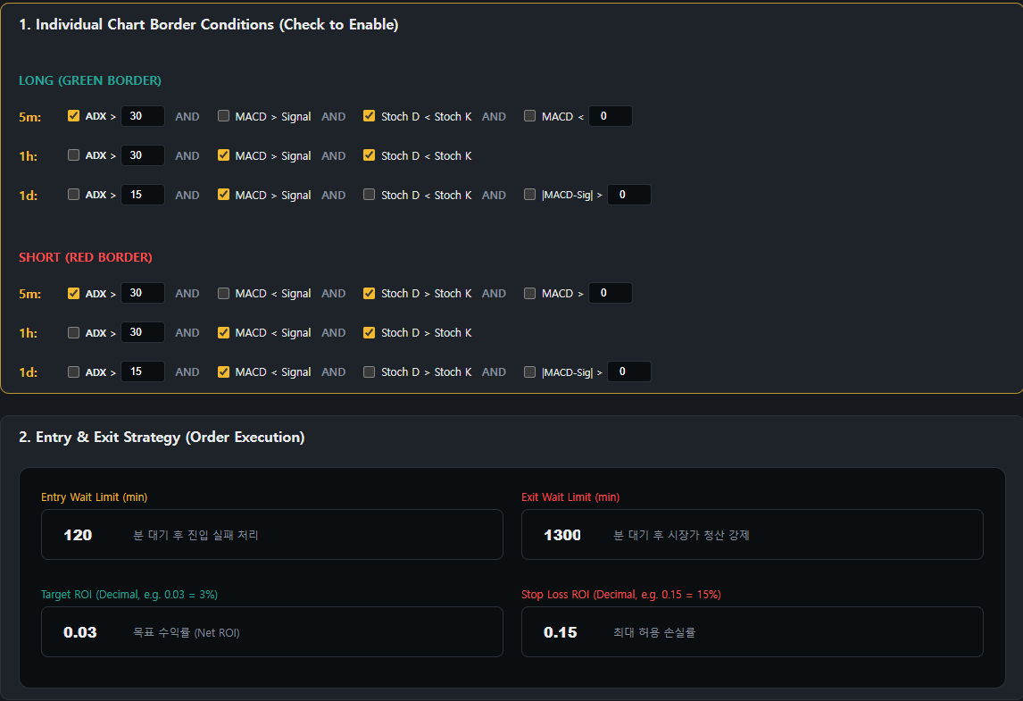
2022

2023

2024

2025

2026

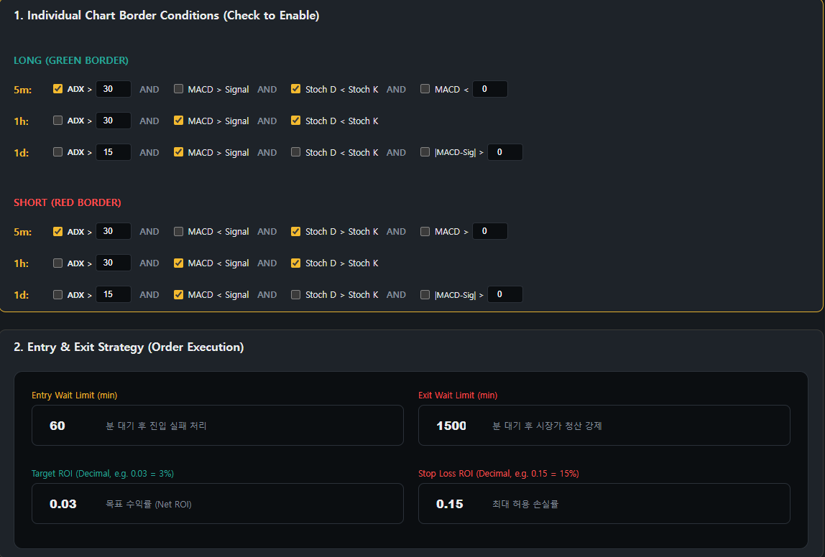
2022

2023

2024

2025

2026

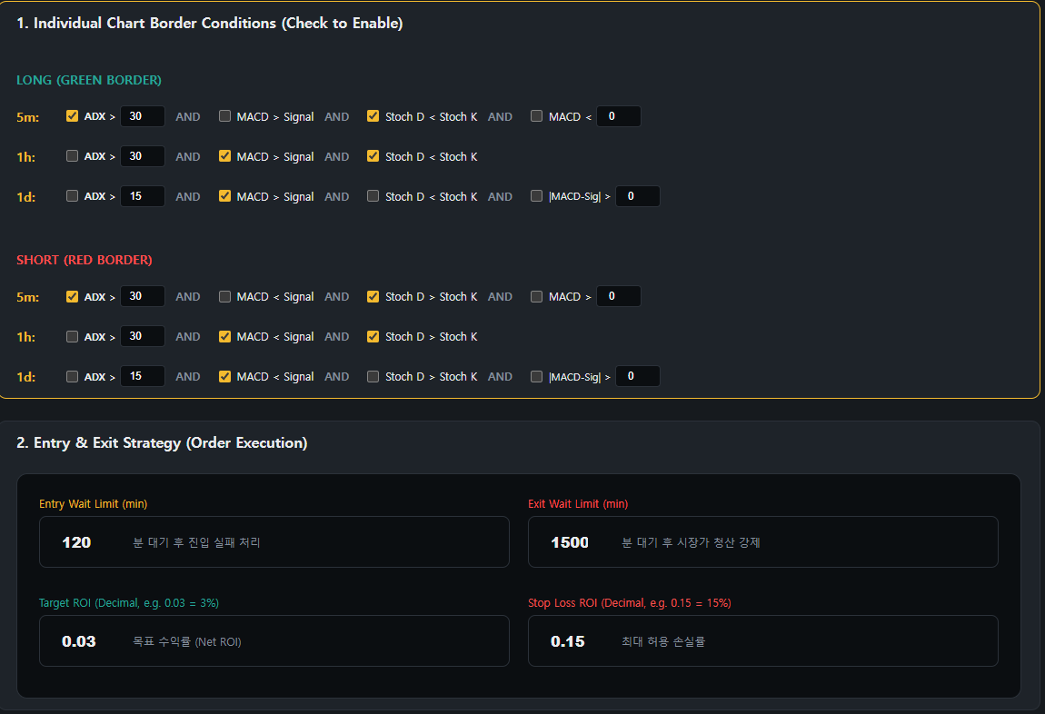
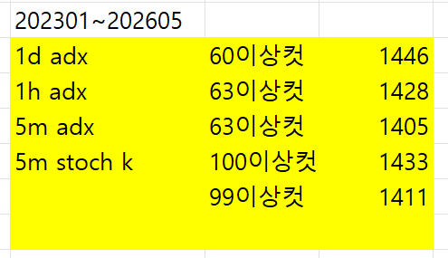
2022

2023

2024

2025

2026

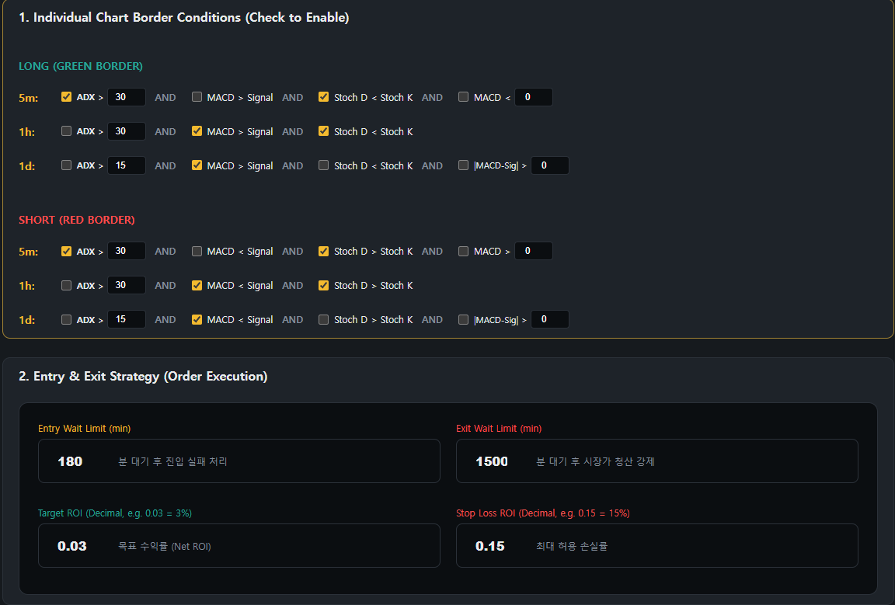
2022

2023

2024

2025

2026

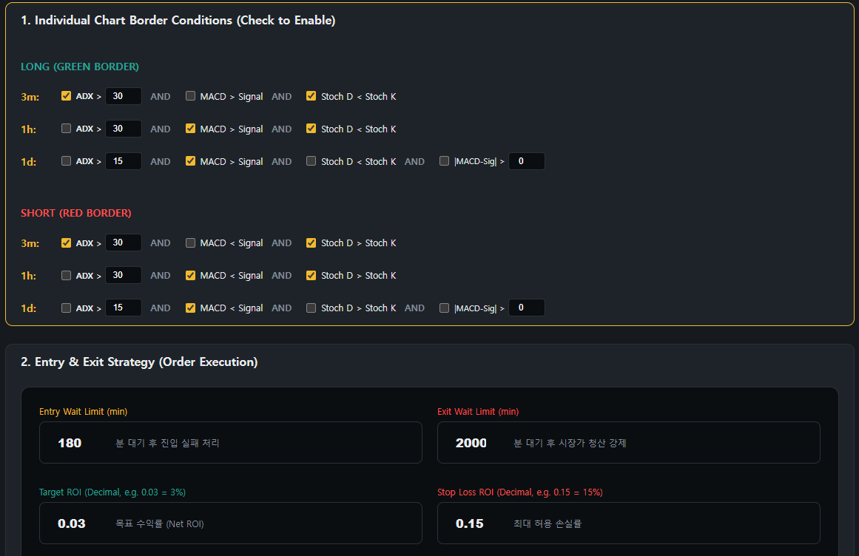
2022

2023

2024

2025

2026

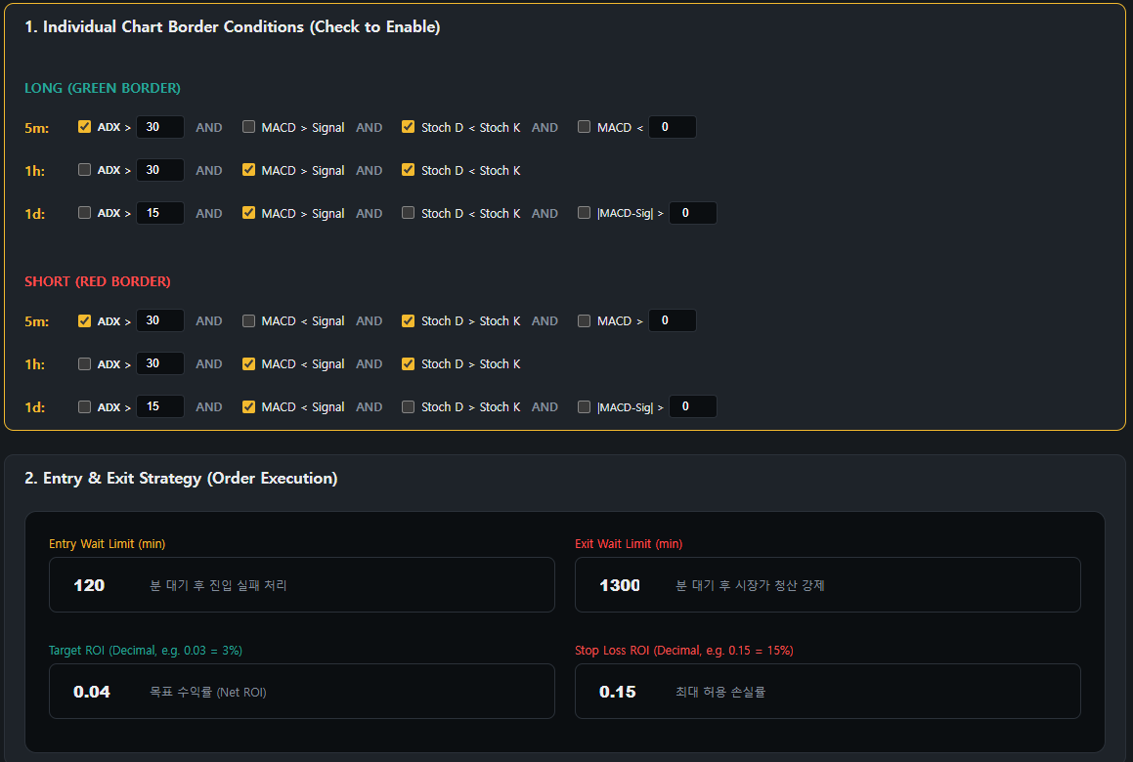
2022

2023

2024

2025

2026

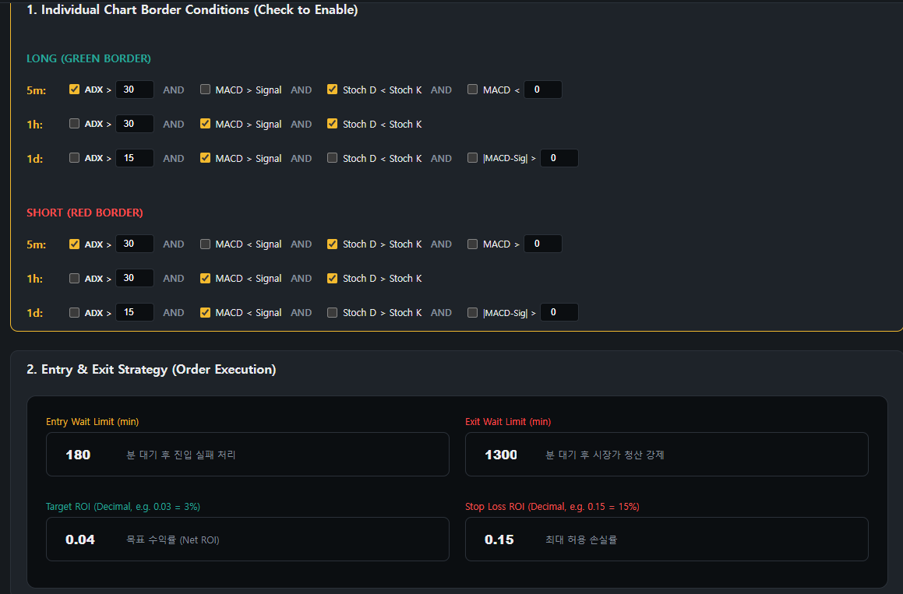
2022

2023

2024

2025

2026

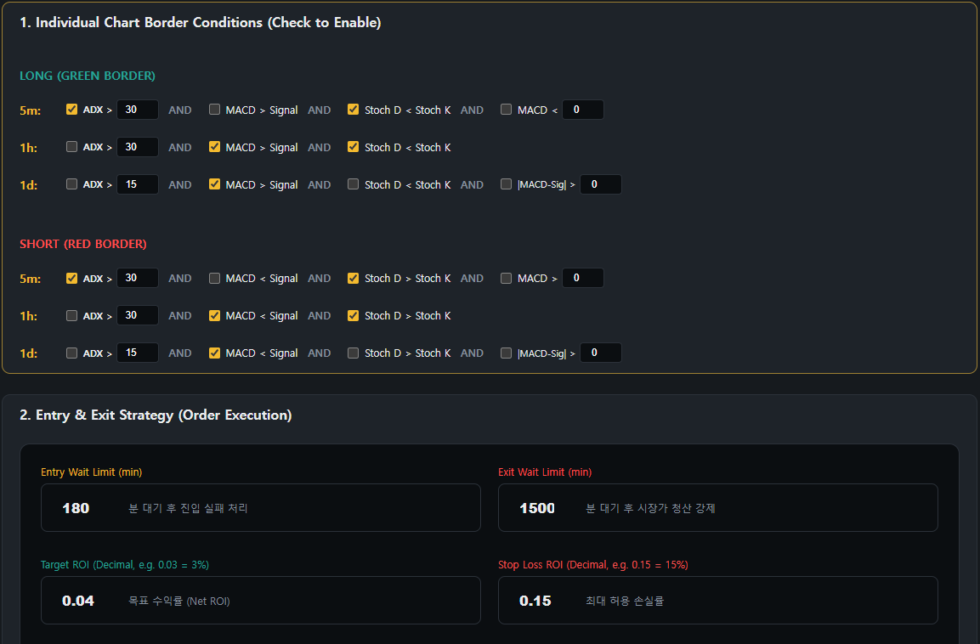
2022

2023

2024

2025

2026

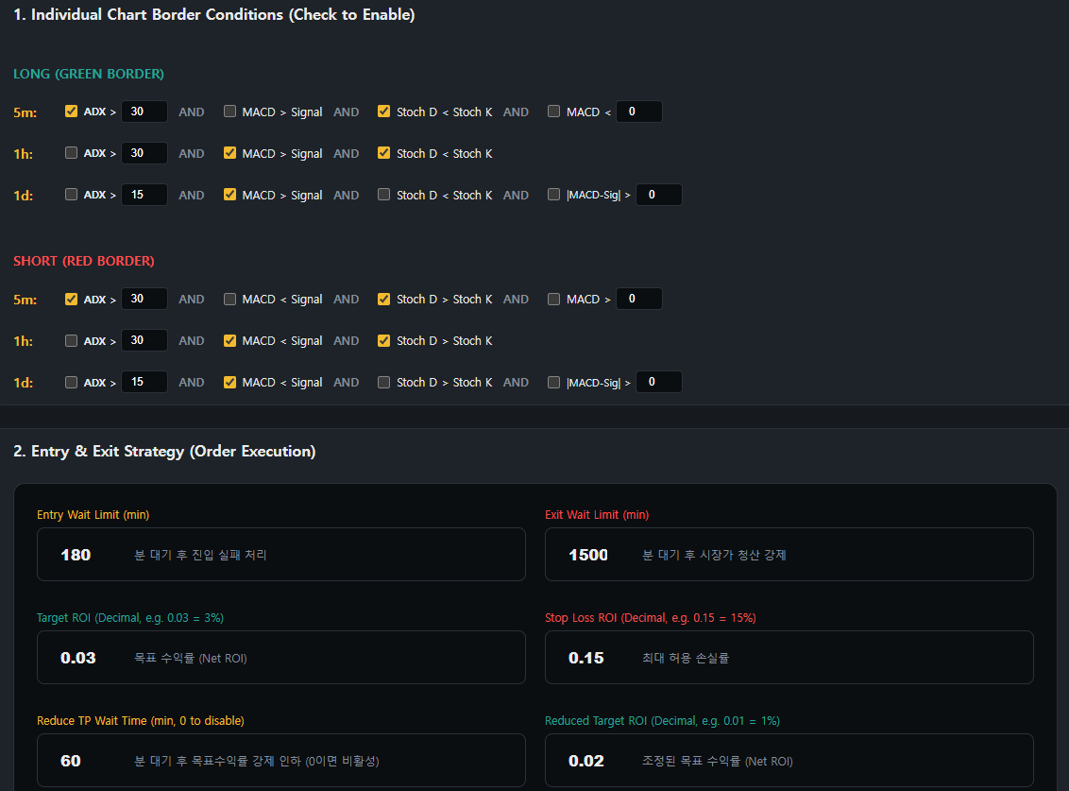
2022

2023

2024

2025

2026

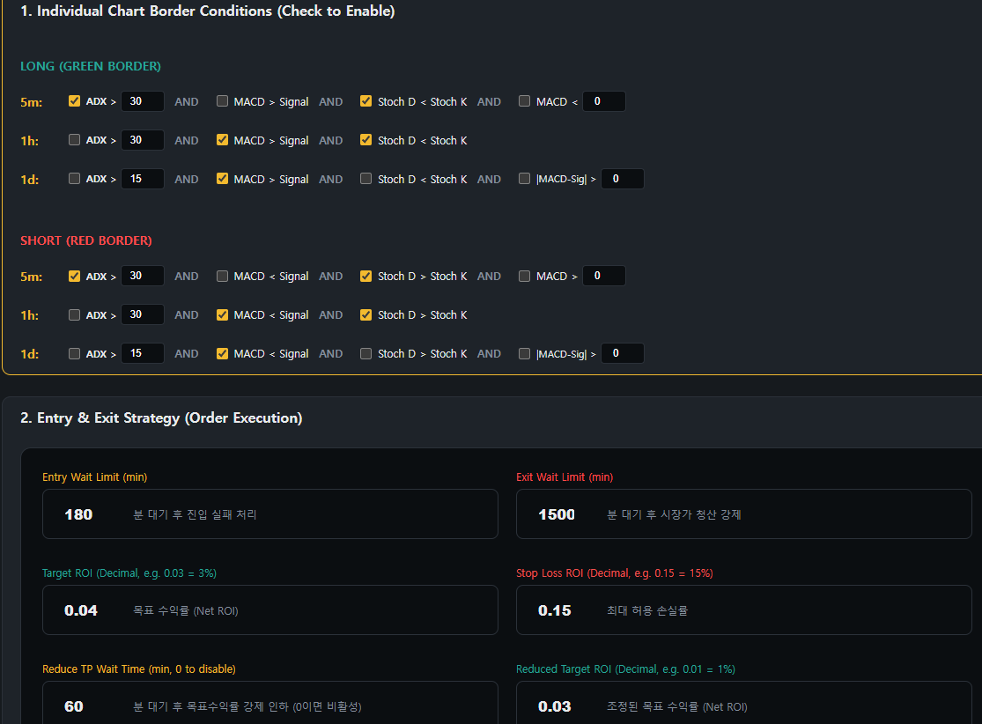
2022

2023

2024

2025

2026

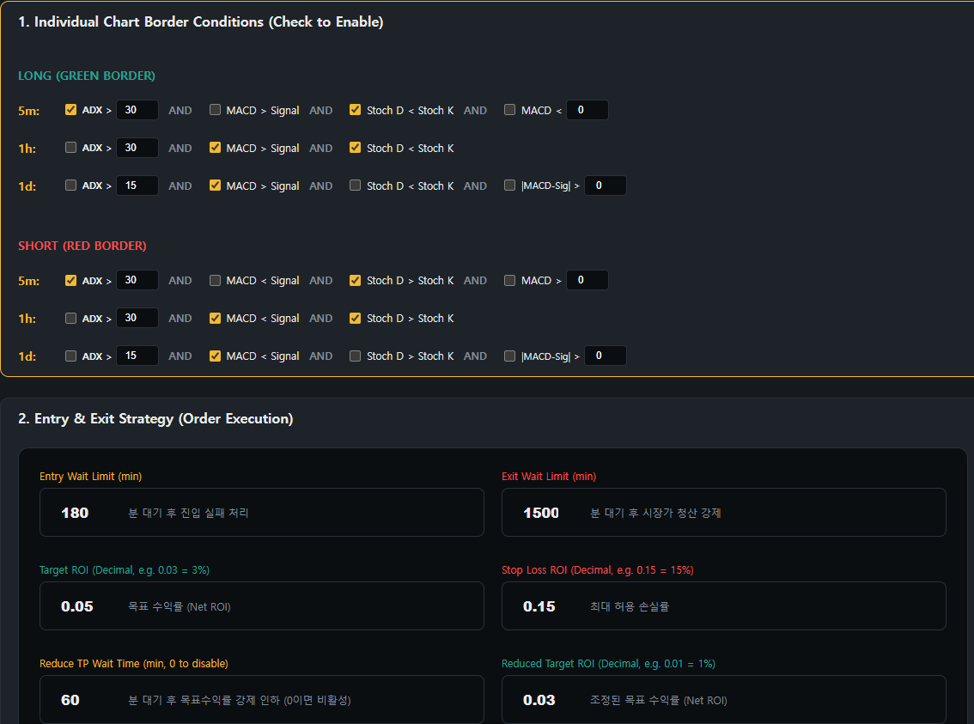
2022

2023

2024

2025

2026

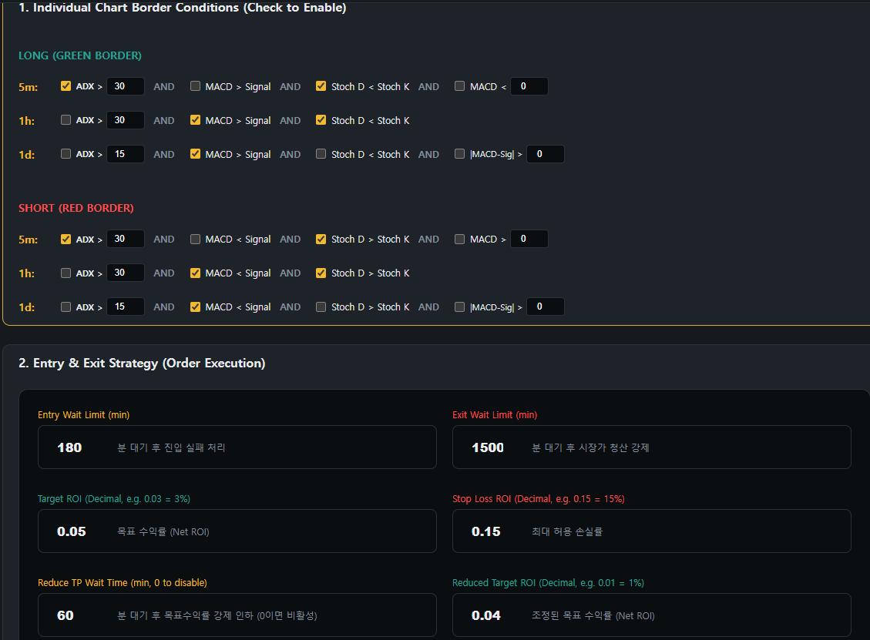
2022

2023

2024

2025

2026

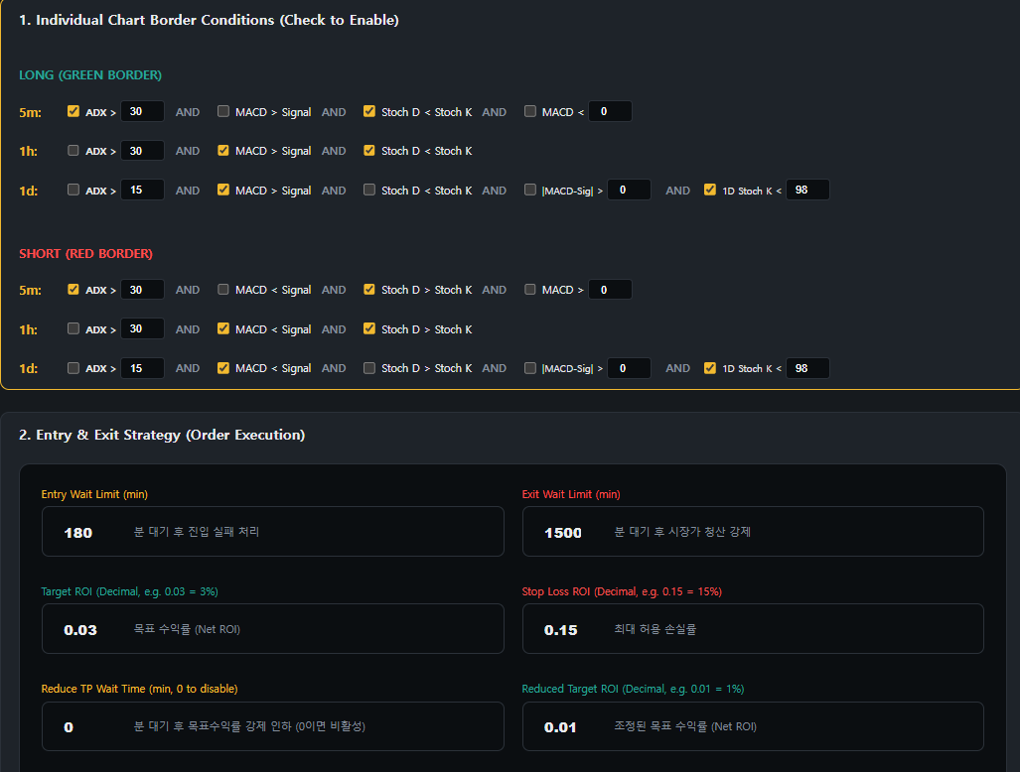
2022

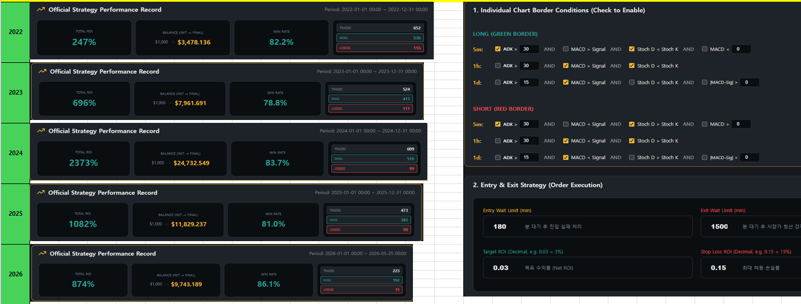

2023

2024

2025

2026

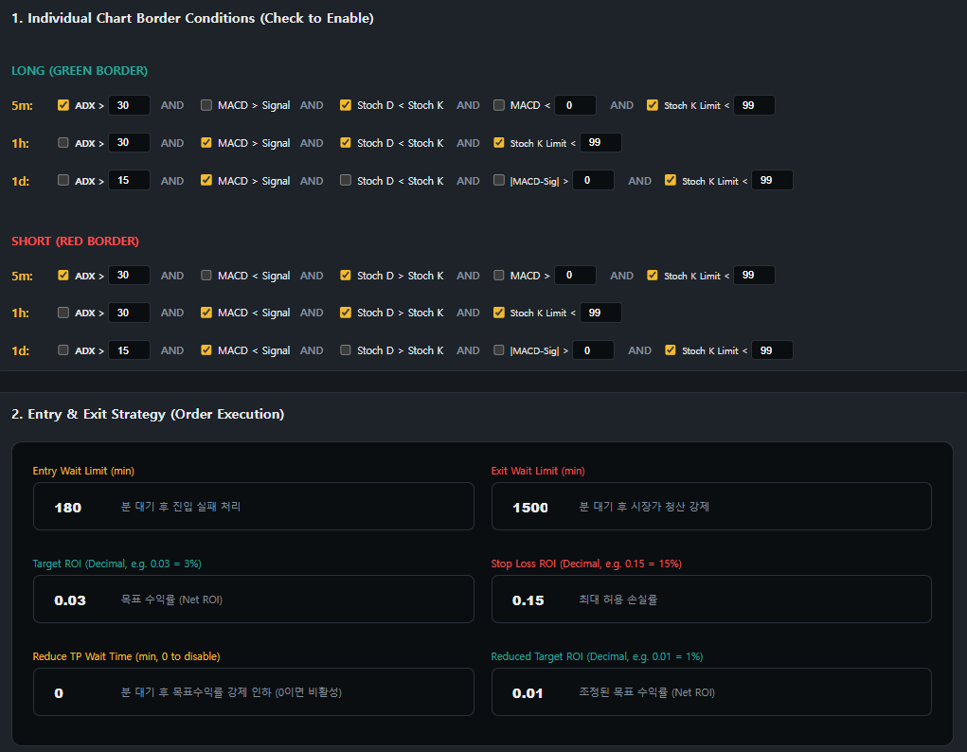
2022

2023

2024

2025

2026

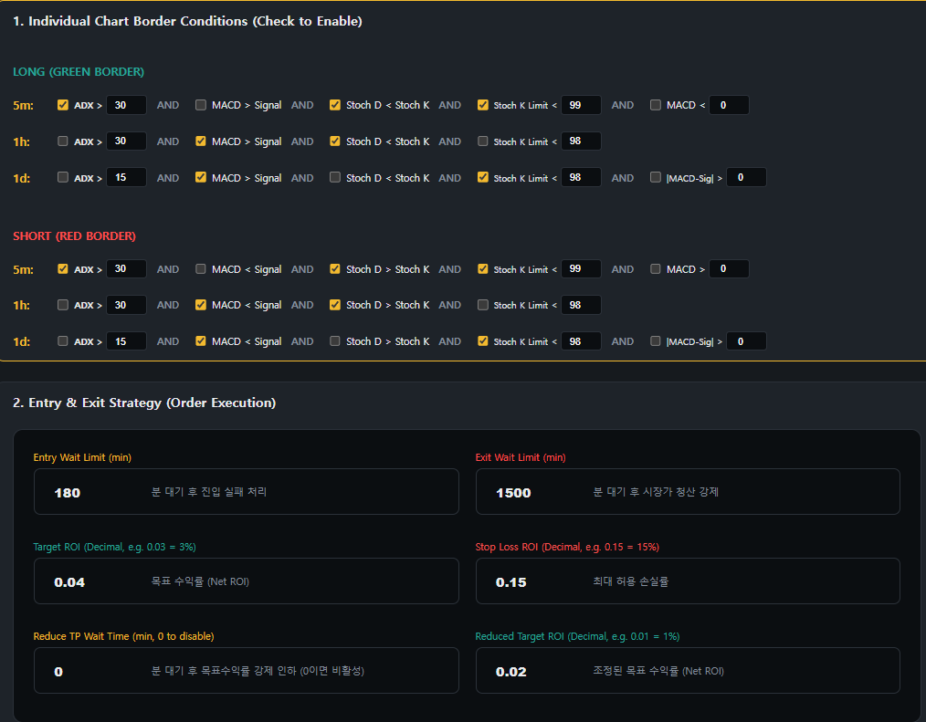
2022

99

98
2023

2024

2025

2026

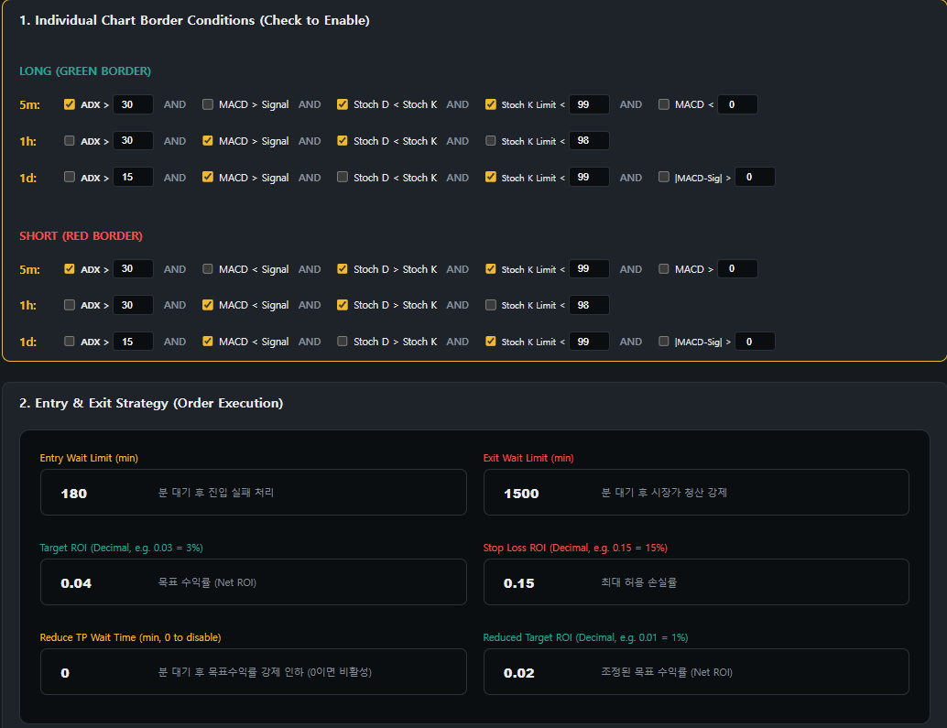
2022

99

99
2023

2024

2025

2026

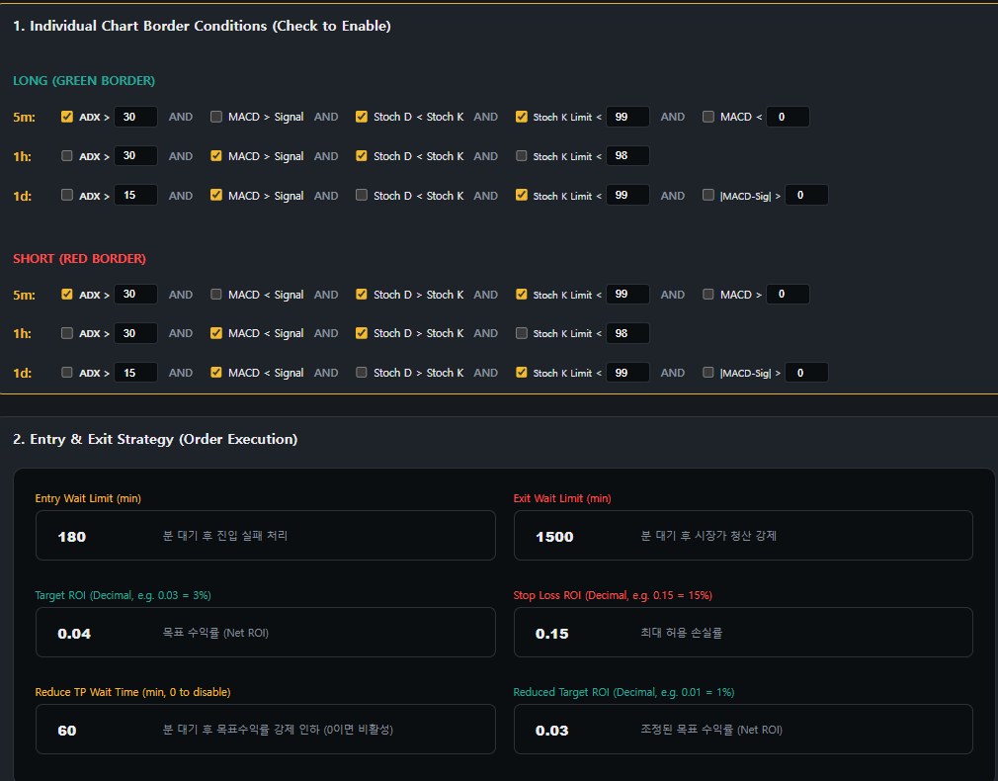
2022

99

99
2023

2024

2025

2026

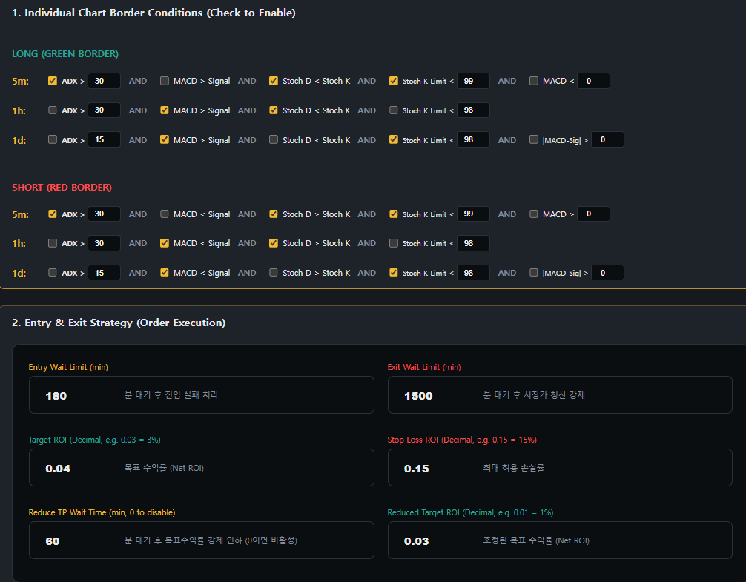
2022

99

98
2023

2024

2025

2026

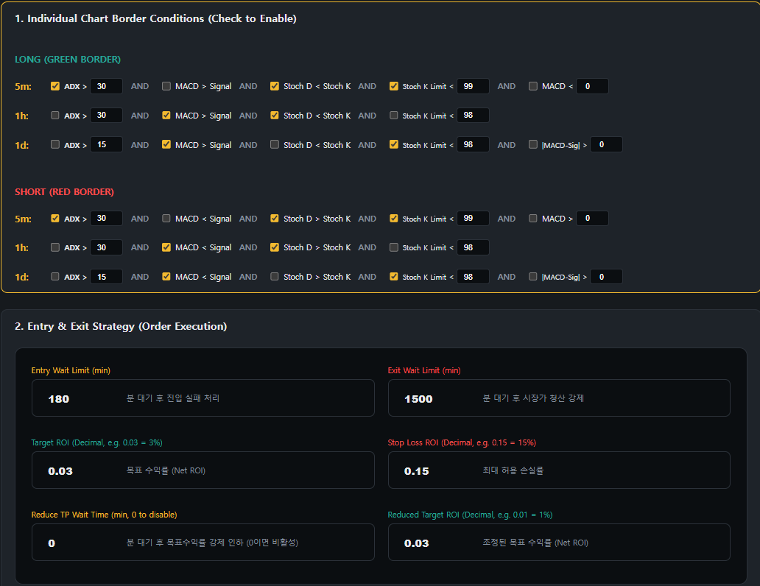
2022

2023

2024

2025

2026

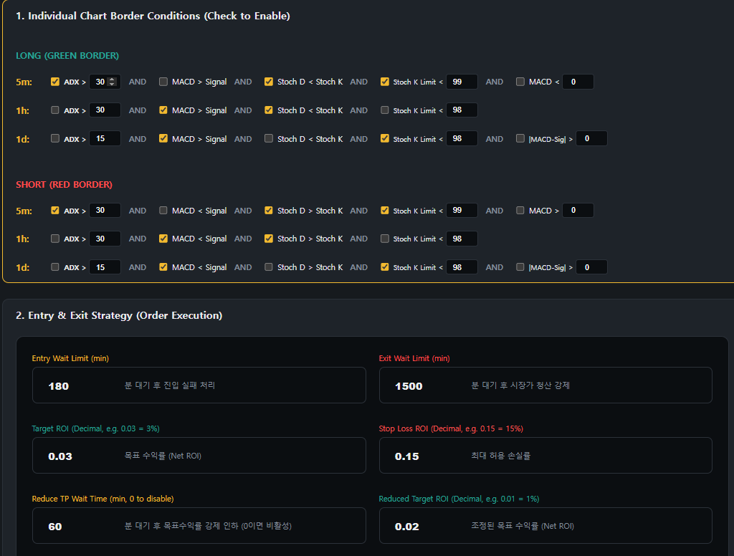
2022

2023

2024

2025

2026


2022

2023

2024

2025

2026


2022

2023

2024

2025

2026


2022

2023

2024

2025

2026

2022

2023

2024

2025

2026

2022

2023

2024

2025

2026

2022

2023

2024

2025

2026

2022

2023

2024

2025

2026

2022

2023

2024

2025

2026

2022

2023

2024

2025

2026

2022

2023

2024

2025

2026

2022

2023

2024

2025

2026

2022

2023

2024

2025

2026

Sheet1


















